Picture
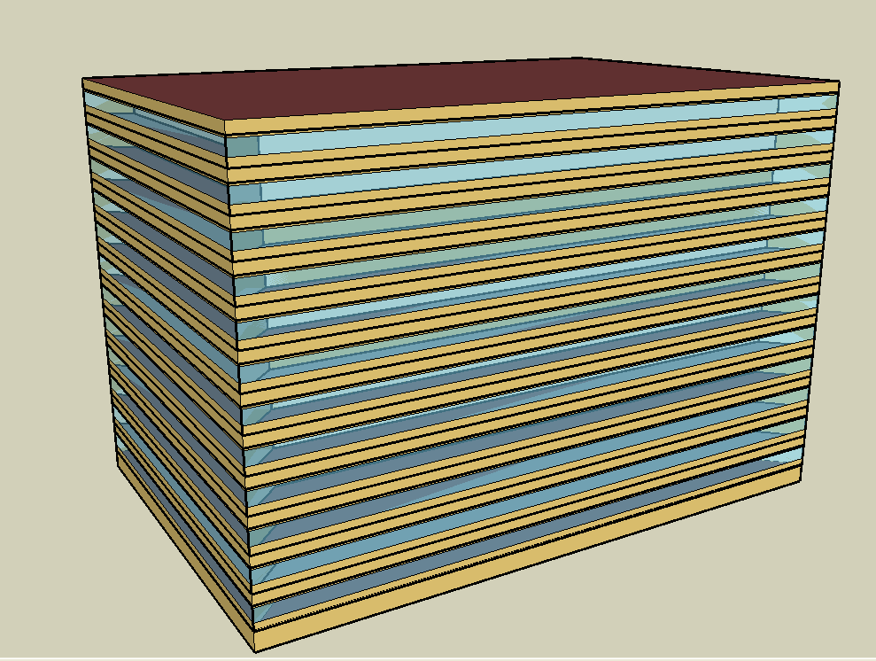
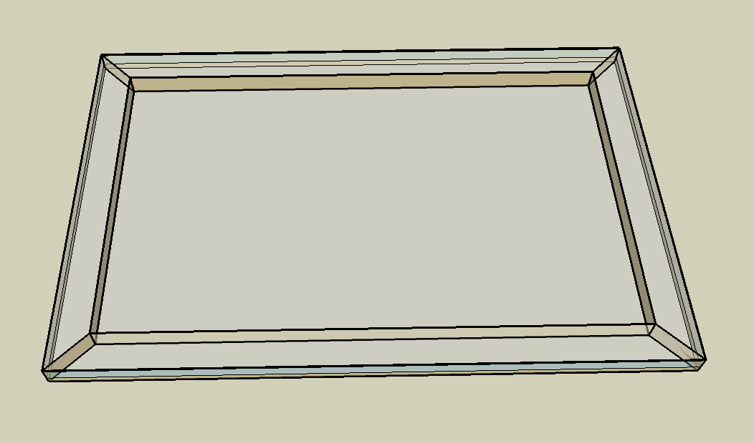
DOE Commercial Building Benchmark - Large Office

Electricity
 | Cooling | Interior Lighting | Exterior Lighting | Interior Equipment | Fans | Pumps | Heat Rejection
Miami | 1,204,480.56 | 1,427,038.89 | 10,922.22 | 1,605,172.22 | 160,169.44 | 289,772.22 | 234,102.78
Houston | 963,350.00 | 1,427,038.89 | 10,919.44 | 1,605,172.22 | 156,480.56 | 277,913.89 | 212,116.67
Phoenix | 761,125.00 | 1,427,038.89 | 10,916.67 | 1,605,172.22 | 191,877.78 | 260,897.22 | 212,377.78
Atlanta | 610,705.56 | 1,427,038.89 | 10,913.89 | 1,605,172.22 | 141,941.67 | 243,136.11 | 177,780.56
Los Angeles | 391,294.44 | 1,427,038.89 | 10,905.56 | 1,605,172.22 | 126,902.78 | 191,225.00 | 159,602.78
Las Vegas | 481,955.56 | 1,427,038.89 | 10,905.56 | 1,605,172.22 | 162,558.33 | 181,702.78 | 146,377.78
San Francisco | 176,263.89 | 1,427,038.89 | 10,911.11 | 1,605,172.22 | 141,147.22 | 144,213.89 | 115,066.67
Baltimore | 545,975.00 | 1,427,038.89 | 10,902.78 | 1,605,172.22 | 149,091.67 | 253,650.00 | 159,488.89
Albuquerque | 306,702.78 | 1,427,038.89 | 10,908.33 | 1,605,172.22 | 175,016.67 | 138,291.67 | 103,225.00
Seattle | 147,647.22 | 1,427,038.89 | 10,886.11 | 1,605,172.22 | 141,675.00 | 106,363.89 | 79,522.22
Chicago | 366,655.56 | 1,427,038.89 | 10,905.56 | 1,605,172.22 | 168,108.33 | 172,422.22 | 105,463.89
Boulder | 220,611.11 | 1,427,038.89 | 10,900.00 | 1,605,172.22 | 169,452.78 | 118,025.00 | 79,191.67
Minneapolis | 304,811.11 | 1,427,038.89 | 10,897.22 | 1,605,172.22 | 163,583.33 | 151,450.00 | 91,872.22
Helena | 153,827.78 | 1,427,038.89 | 10,894.44 | 1,605,172.22 | 166,286.11 | 102,244.44 | 63,583.33
Duluth | 160,233.33 | 1,427,038.89 | 10,888.89 | 1,605,172.22 | 178,519.44 | 118,147.22 | 60,327.78
Fairbanks | 117,350.00 | 1,427,038.89 | 10,822.22 | 1,605,172.22 | 249,527.78 | 132,369.44 | 60,125.00

Gas
 | Heating | Water Systems
Miami | 246,890.00 | 172,410.00
Houston | 2,342,960.00 | 206,300.00
Phoenix | 1,761,680.00 | 186,730.00
Atlanta | 2,438,190.00 | 239,030.00
Los Angeles | 686,780.00 | 232,770.00
Las Vegas | 1,345,290.00 | 210,250.00
San Francisco | 3,252,160.00 | 260,760.00
Baltimore | 4,196,130.00 | 264,760.00
Albuquerque | 2,334,740.00 | 259,890.00
Seattle | 4,519,880.00 | 278,200.00
Chicago | 6,526,090.00 | 287,350.00
Boulder | 3,832,950.00 | 286,180.00
Minneapolis | 8,259,810.00 | 306,860.00
Helena | 6,226,540.00 | 310,420.00
Duluth | 9,884,190.00 | 339,070.00
Fairbanks | 17,439,390.00 | 377,990.00

EUI
 | Cooling (elec) | Interior Lighting (elec) | Exterior Lighting (elec) | Interior Equipment (elec) | Fans (elec) | Pumps (elec) | Heat Rejection (elec) | Heating (gas) | Water Systems (gas)
Miami | 93.61 | 110.91 | 0.85 | 124.75 | 12.45 | 22.52 | 18.19 | 5.33 | 3.72
Houston | 74.87 | 110.91 | 0.85 | 124.75 | 12.16 | 21.60 | 16.49 | 50.58 | 4.45
Phoenix | 59.15 | 110.91 | 0.85 | 124.75 | 14.91 | 20.28 | 16.51 | 38.03 | 4.03
Atlanta | 47.46 | 110.91 | 0.85 | 124.75 | 11.03 | 18.90 | 13.82 | 52.64 | 5.16
Los Angeles | 30.41 | 110.91 | 0.85 | 124.75 | 9.86 | 14.86 | 12.40 | 14.83 | 5.03
Las Vegas | 37.46 | 110.91 | 0.85 | 124.75 | 12.63 | 14.12 | 11.38 | 29.04 | 4.54
San Francisco | 13.70 | 110.91 | 0.85 | 124.75 | 10.97 | 11.21 | 8.94 | 70.21 | 5.63
Baltimore | 42.43 | 110.91 | 0.85 | 124.75 | 11.59 | 19.71 | 12.40 | 90.59 | 5.72
Albuquerque | 23.84 | 110.91 | 0.85 | 124.75 | 13.60 | 10.75 | 8.02 | 50.40 | 5.61
Seattle | 11.48 | 110.91 | 0.85 | 124.75 | 11.01 | 8.27 | 6.18 | 97.58 | 6.01
Chicago | 28.50 | 110.91 | 0.85 | 124.75 | 13.07 | 13.40 | 8.20 | 140.89 | 6.20
Boulder | 17.15 | 110.91 | 0.85 | 124.75 | 13.17 | 9.17 | 6.15 | 82.75 | 6.18
Minneapolis | 23.69 | 110.91 | 0.85 | 124.75 | 12.71 | 11.77 | 7.14 | 178.32 | 6.62
Helena | 11.96 | 110.91 | 0.85 | 124.75 | 12.92 | 7.95 | 4.94 | 134.42 | 6.70
Duluth | 12.45 | 110.91 | 0.85 | 124.75 | 13.87 | 9.18 | 4.69 | 213.39 | 7.32
Fairbanks | 9.12 | 110.91 | 0.84 | 124.75 | 19.39 | 10.29 | 4.67 | 376.49 | 8.16

Water
 | Total Building | Water for Electricity (m3)
Miami | 21,105.63 | 2,891.46
Houston | 17,705.50 | 8,427.50
Phoenix | 27,395.15 | 148,398.00
Atlanta | 13,628.85 | 29,614.00
Los Angeles | 9,896.18 | 77,931.10
Las Vegas | 20,269.87 | 124,609.00
San Francisco | 6,466.07 | 72,798.40
Baltimore | 12,596.75 | 1,062.02
Albuquerque | 12,542.75 | 19,492.60
Seattle | 5,540.74 | 41,324.10
Chicago | 9,218.21 | 6,798.68
Boulder | 9,475.33 | 18,875.20
Minneapolis | 7,890.93 | 6,642.09
Helena | 7,048.71 | 256,890.00
Duluth | 5,177.54 | 6,340.33
Fairbanks | 5,197.22 | 4,218.33

Carbon
 | Carbon Equivalent (kg)
Miami | 1,504,440.00
Houston | 1,773,620.00
Phoenix | 1,543,250.00
Atlanta | 1,509,330.00
Los Angeles | 535,297.17
Las Vegas | 1,559,990.00
San Francisco | 547,899.09
Baltimore | 1,342,750.00
Albuquerque | 1,800,370.00
Seattle | 381,115.90
Chicago | 2,459,220.00
Boulder | 1,772,320.00
Minneapolis | 1,619,920.00
Helena | 1,599,900.00
Duluth | 1,583,220.00
Fairbanks | 1,483,090.00

LghtSch
Lighting Schedules
 | WD | Sat | Sun, Hol, Other
 | 0.05 | 0.05 | 0.05
 | 0.05 | 0.05 | 0.05
 | 0.05 | 0.05 | 0.05
 | 0.05 | 0.05 | 0.05
 | 0.05 | 0.05 | 0.05
 | 0.1 | 0.05 | 0.05
 | 0.1 | 0.1 | 0.05
 | 0.3 | 0.1 | 0.05
 | 0.9 | 0.3 | 0.05
 | 0.9 | 0.3 | 0.05
 | 0.9 | 0.3 | 0.05
 | 0.9 | 0.3 | 0.05
 | 0.9 | 0.15 | 0.05
 | 0.9 | 0.15 | 0.05
 | 0.9 | 0.15 | 0.05
 | 0.9 | 0.15 | 0.05
 | 0.9 | 0.15 | 0.05
 | 0.5 | 0.05 | 0.05
 | 0.3 | 0.05 | 0.05
 | 0.3 | 0.05 | 0.05
 | 0.2 | 0.05 | 0.05
 | 0.2 | 0.05 | 0.05
 | 0.1 | 0.05 | 0.05
 | 0.05 | 0.05 | 0.05

OccSch
Occupancy Schedules
 | WD | SummerDesign | Sun, Hol, Other
 | 0 | 0 | 0
 | 0 | 0 | 0
 | 0 | 0 | 0
 | 0 | 0 | 0
 | 0 | 0 | 0
 | 0 | 0 | 0
 | 0.1 | 1 | 0
 | 0.2 | 1 | 0
 | 0.95 | 1 | 0
 | 0.95 | 1 | 0
 | 0.95 | 1 | 0
 | 0.95 | 1 | 0
 | 0.5 | 1 | 0
 | 0.95 | 1 | 0
 | 0.95 | 1 | 0
 | 0.95 | 1 | 0
 | 0.95 | 1 | 0
 | 0.3 | 1 | 0
 | 0.1 | 1 | 0
 | 0.1 | 1 | 0
 | 0.05 | 1 | 0
 | 0.05 | 1 | 0
 | 0.05 | 0.05 | 0
 | 0.05 | 0.05 | 0

EqpSch
Equipment Schedules
 | WD | Sat | Sun, Hol, Other
 | 0.4 | 0.3 | 0.3
 | 0.4 | 0.3 | 0.3
 | 0.4 | 0.3 | 0.3
 | 0.4 | 0.3 | 0.3
 | 0.4 | 0.3 | 0.3
 | 0.4 | 0.3 | 0.3
 | 0.4 | 0.4 | 0.3
 | 0.4 | 0.4 | 0.3
 | 0.9 | 0.5 | 0.3
 | 0.9 | 0.5 | 0.3
 | 0.9 | 0.5 | 0.3
 | 0.9 | 0.5 | 0.3
 | 0.8 | 0.35 | 0.3
 | 0.9 | 0.35 | 0.3
 | 0.9 | 0.35 | 0.3
 | 0.9 | 0.35 | 0.3
 | 0.9 | 0.35 | 0.3
 | 0.5 | 0.3 | 0.3
 | 0.4 | 0.3 | 0.3
 | 0.4 | 0.3 | 0.3
 | 0.4 | 0.3 | 0.3
 | 0.4 | 0.3 | 0.3
 | 0.4 | 0.3 | 0.3
 | 0.4 | 0.3 | 0.3

HeatSch
Heating Set Point Schedules
 | SummerDesign | Sat | Sun, Hol, Other
 | 15.6 | 15.6 | 15.6
 | 15.6 | 15.6 | 15.6
 | 15.6 | 15.6 | 15.6
 | 15.6 | 15.6 | 15.6
 | 15.6 | 15.6 | 15.6
 | 15.6 | 15.6 | 15.6
 | 15.6 | 21 | 15.6
 | 15.6 | 21 | 15.6
 | 15.6 | 21 | 15.6
 | 15.6 | 21 | 15.6
 | 15.6 | 21 | 15.6
 | 15.6 | 21 | 15.6
 | 15.6 | 21 | 15.6
 | 15.6 | 21 | 15.6
 | 15.6 | 21 | 15.6
 | 15.6 | 21 | 15.6
 | 15.6 | 21 | 15.6
 | 15.6 | 15.6 | 15.6
 | 15.6 | 15.6 | 15.6
 | 15.6 | 15.6 | 15.6
 | 15.6 | 15.6 | 15.6
 | 15.6 | 15.6 | 15.6
 | 15.6 | 15.6 | 15.6
 | 15.6 | 15.6 | 15.6

CoolSch
Cooling Set Point Schedules
 | WD, SummerDesign | Sat | Sun, Hol, Other
 | 30 | 30 | 30
 | 30 | 30 | 30
 | 30 | 30 | 30
 | 30 | 30 | 30
 | 30 | 30 | 30
 | 30 | 30 | 30
 | 24 | 24 | 30
 | 24 | 24 | 30
 | 24 | 24 | 30
 | 24 | 24 | 30
 | 24 | 24 | 30
 | 24 | 24 | 30
 | 24 | 24 | 30
 | 24 | 24 | 30
 | 24 | 24 | 30
 | 24 | 24 | 30
 | 24 | 24 | 30
 | 24 | 24 | 30
 | 24 | 30 | 30
 | 24 | 30 | 30
 | 24 | 30 | 30
 | 24 | 30 | 30
 | 30 | 30 | 30
 | 30 | 30 | 30

